India data
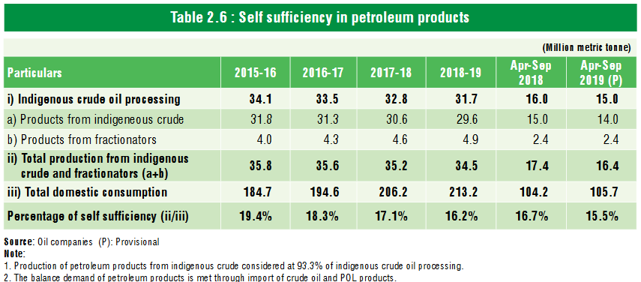

Source: Ready Reckoner, 2019 (PPAC)
Table 2.6, Page 9

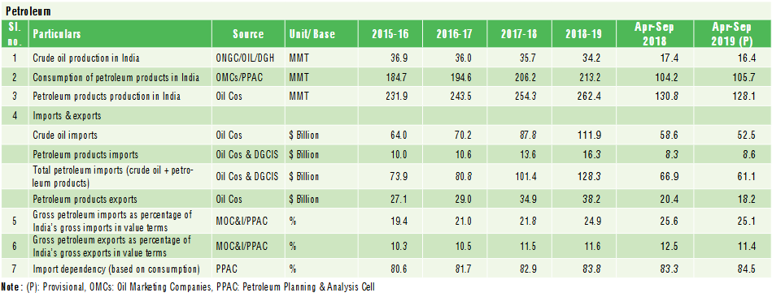

Source: Ready Reckoner, 2019 (PPAC)
Table 1.1, Page 2

